crew
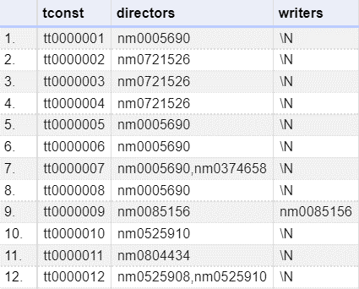
title.crew.tsv.gz – Contains the director and writer information for all the titles in IMDb. Fields include:
tconst (string) | alphanumeric unique identifier of the title
directors (array of nconsts) | director(s) of the given title
writers (array of nconsts) | writer(s) of the given title

episode
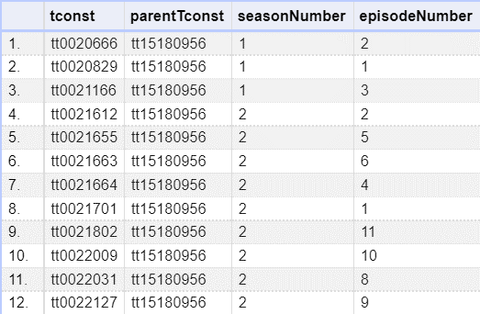
title.episode.tsv.gz – Contains the tv episode information. Fields include:
tconst (string) | alphanumeric identifier of episode
parentTconst (string) | alphanumeric identifier of the parent TV Series
seasonNumber (integer) | season number the episode belongs to
episodeNumber (integer) | episode number of the tconst in the TV series

ratings
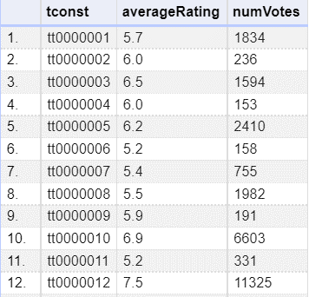
title.ratings.tsv.gz – Contains the IMDb rating and votes information for titles
tconst (string) | alphanumeric unique identifier of the title
averageRating | weighted average of all the individual user ratings
numVotes | number of votes the title has received

